kelas_witel
 |  |  |  | My Arms |  | MS2N
 |  |  |  | witel |  | witel | Type
NO | WITEL | My ARMS | KELAS | N11-NAD(Banda Aceh) | C | ACEH | C | MEDAN | MEDAN | R1 | A
1 | BANTEN TIMUR (TANGERANG) | Banten Timur(Tangerang) | PLATINUM | N12-SumUt Timur(Pematang Siantar) | C | BABEL | C | RIKEP | RIKEP | R1 | B
2 | JABAR BARAT (BOGOR) | JABAR BARAT(BOGOR) | PLATINUM | N13-SumUt Barat(Medan) | A | BALIKPAPAN | B | RIDAR | RIDAR | R1 | B
3 | JABAR BARAT UTARA (BEKASI) | JABAR BARAT UTARA(BEKASI) | PLATINUM | N14-Rikep(Batam) | B | BANDUNG | A | SUMSEL | SUMSEL | R1 | B
4 | JABAR TENGAH (BANDUNG) | JABAR TENGAH(BANDUNG) | PLATINUM | N15-Ridar(Pekanbaru) | B | BANTEN | B | SUMBAR | SUMBAR | R1 | B
5 | JAKARTA BARAT | JAKARTA BARAT | PLATINUM | N16-SumBar(Padang) | B | BEKASI | A | ACEH | ACEH | R1 | C
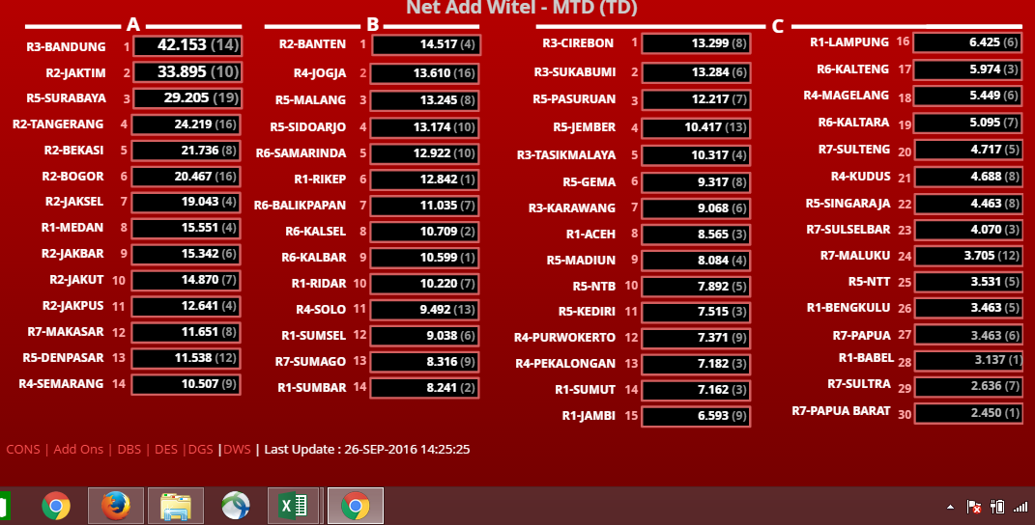
6 | JAKARTA PUSAT | JAKARTA PUSAT | PLATINUM | N17-Jambi(Jambi) | C | BENGKULU | C | SUMUT | SUMUT | R1 | C
7 | JAKARTA SELATAN | JAKARTA SELATAN | PLATINUM | N18-Bengkulu(Bengkulu) | C | BOGOR | A | JAMBI | JAMBI | R1 | C
8 | JAKARTA TIMUR | JAKARTA TIMUR | PLATINUM | N19-Babel(PangkalPinang) | C | CIREBON | C | LAMPUNG | LAMPUNG | R1 | C
9 | JAKARTA UTARA | JAKARTA UTARA | PLATINUM | N1A-Sumsel(Palembang) | B | DENPASAR | A | BENGKULU | BENGKULU | R1 | C
10 | SUMATERA SELATAN (PALEMBANG) | Sumsel(Palembang) | PLATINUM | N1B-Lampung(Bandar Lampung) | C | DI YOGYAKARTA | B | BABEL | BABEL | R1 | C
11 | SUMUT BARAT (MEDAN) | SUMUT BARAT(MEDAN) | PLATINUM | N21-Banten Barat(Serang) | B | GEMA | C | JAKARTA TIMUR | JAKTIM | R2 | A
12 | BALI SELATAN (DENPASAR) | BALI SELATAN(DENPASAR) | PLATINUM | N22-Banten Timur(Tangerang) | A | JAKBAR | A | TANGERANG | TANGERANG | R2 | A
13 | DI YOGYAKARTA | DIY(Yogyakarta) | PLATINUM | N23-Jakarta Barat | A | JAKPUS | A | BEKASI | BEKASI | R2 | A
14 | JATENG UTARA (SEMARANG) | JATENG UTARA(SEMARANG) | PLATINUM | N24-Jakarta Selatan | A | JAKSEL | A | BOGOR | BOGOR | R2 | A
15 | JATIM SELATAN (MALANG) | JATIM SELATAN(MALANG) | PLATINUM | N25-Jakarta Timur | A | JAKTIM | A | JAKARTA SELATAN | JAKSEL | R2 | A
16 | JATIM SURAMADU (SURABAYA) | JATIM SURAMADU(SURABAYA) | PLATINUM | N26-Jakarta Utara | A | JAKUT | A | JAKARTA BARAT | JAKBAR | R2 | A
17 | SULSEL (MAKASAR) | SULSEL(MAKASAR) | PLATINUM | N27-Jakarta Pusat | A | JAMBI | C | JAKARTA UTARA | JAKUT | R2 | A
 |  |  |  | N31-Jabar Barat Utara(Bekasi) | A | JEMBER | C | JAKARTA PUSAT | JAKPUS | R2 | A
 |  |  |  | N32-Jabar Utara (Karawang) | C | KALBAR | B | BANTEN | BANTEN | R2 | B
18 | BANGKA BELITUNG (PANGKAL PINANG) |  | GOLD | N33-Jabar Barat(Bogor) | A | KALSEL | B | BANDUNG | BANDUNG | R3 | A
19 | BANTEN BARAT (SERANG) |  | GOLD | N34-Jabar Selatan(Sukabumi) | C | KALTARA | C | CIREBON | CIREBON | R3 | C
20 | BENGKULU |  | GOLD | N35-Jabar Tengah(Bandung) | A | KALTENG | C | SUKABUMI | SUKABUMI | R3 | C
21 | JABAR UTARA (KARAWANG) |  | GOLD | N36-Jabar Timur(Cirebon) | C | KARAWANG | C | TASIKMALAYA | TASIKMALAYA | R3 | C
22 | JAMBI |  | GOLD | N37-JabarTimSel(Tasikmalaya) | C | KEDIRI | C | KARAWANG | KARAWANG | R3 | C
23 | NAD (ACEH) |  | GOLD | N41-Jateng Barat Utara(Pekalongan) | C | KUDUS | C | SEMARANG | SEMARANG | R4 | A
24 | BALI UTARA (SINGARAJA) |  | GOLD | N42-Jateng Barat Selatan(Purwokerto) | C | LAMPUNG | C | JOGJA | JOGJA | R4 | B
25 | JATENG SELATAN (MAGELANG) |  | GOLD | N43-Jateng Utara(Semarang) | A | MADIUN | C | SOLO | SOLO | R4 | B
26 | JATENG TIMUR UTARA (KUDUS) |  | GOLD | N44-Jateng Timur Utara(Kudus) | C | MAGELANG | C | PURWOKERTO | PURWOKERTO | R4 | C
27 | KALTENG (PALANGKARAYA) |  | GOLD | N46-Jateng Selatan(Magelang) | C | MAKASAR | A | PEKALONGAN | PEKALONGAN | R4 | C
28 | KALTIMUT (TARAKAN) |  | GOLD | N47-DIY(Yogyakarta) | B | MALANG | B | MAGELANG | MAGELANG | R4 | C
29 | MALUKU (AMBON) |  | GOLD | N48-Jateng TimSel(Solo) | B | MALUKU | C | KUDUS | KUDUS | R4 | C
30 | MALUKU UTARA (TERNATE) |  | GOLD | N51-Jatim Tengah(Kediri) | C | MEDAN | A | SURABAYA | SURABAYA | R5 | A
31 | NTB (MATARAM) |  | GOLD | N52-Jatim Barat(Madiun) | C | NTB | C | DENPASAR | DENPASAR | R5 | A
32 | NTT (KUPANG) |  | GOLD | N53-Jatim Selatan(Malang) | B | NTT | C | MALANG | MALANG | R5 | B
33 | PAPUA (JAYAPURA) |  | GOLD | N54-Jatim Utara(Gresik) | C | PAPUA | C | SIDOARJO | SIDOARJO | R5 | B
34 | PAPUA BARAT (SORONG) |  | GOLD | N55-Jatim Suramadu(Surabaya) | A | PAPUA BARAT | C | PASURUAN | PASURUAN | R5 | C
35 | SULSEL BARAT (PARE-PARE) |  | GOLD | N56-Jatim TengTim(Sidoarjo) | B | PASURUAN | C | JEMBER | JEMBER | R5 | C
36 | SULTENG (PALU) |  | GOLD | N57-Jatim Timur(Jember) | C | PEKALONGAN | C | GEMA | GEMA | R5 | C
37 | SULTRA (KENDARI) |  | GOLD | N58-Jatim SelTim(Pasuruan) | C | PURWOKERTO | C | MADIUN | MADIUN | R5 | C
38 | SULUT SELATAN (GORONTALO) |  | GOLD | N61-KalTim Tengah(Samarinda) | B | RIDAR | B | NTB | NTB | R5 | C
39 | JABAR SELATAN (SUKABUMI) |  | TITANIUM | N62-KalTim Utara(Tarakan) | C | RIKEP | B | KEDIRI | KEDIRI | R5 | C
40 | JABAR TIMSEL (TASIKMALAYA) |  | TITANIUM | N63-KalTim Selatan(Balikpapan) | B | SAMARINDA | B | SINGARAJA | SINGARAJA | R5 | C
41 | JABAR TIMUR (CIREBON) |  | TITANIUM | N64-KalSel(Banjarmasin) | B | SEMARANG | A | NTT | NTT | R5 | C
42 | LAMPUNG |  | TITANIUM | N65-KalTeng(Palangkaraya) | C | SIDOARJO | B | SAMARINDA | SAMARINDA | R6 | B
43 | RIAU DARATAN (PEKANBARU) |  | TITANIUM | N66-KalBar(Pontianak) | B | SINGARAJA | C | BALIKPAPAN | BALIKPAPAN | R6 | B
44 | RIAU KEPULAUAN (BATAM) |  | TITANIUM | N71-Bali Selatan(Denpasar) | A | SOLO | B | KALSEL | KALSEL | R6 | B
45 | SUMATERA BARAT (PADANG) |  | TITANIUM | N72-Bali Utara(Singaraja) | C | SUKABUMI | C | KALBAR | KALBAR | R6 | B
46 | SUMUT TIMUR (PEMATANG SIANTAR) |  | TITANIUM | N73-NTT(Kupang) | C | SULSELBAR | C | KALTENG | KALTENG | R6 | C
47 | JATENG BARAT SELATAN (PURWOKERTO) |  | TITANIUM | N74-NTB(Mataram) | C | SULTENG | C | KALTARA | KALTARA | R6 | C
48 | JATENG BARAT UTARA (PEKALONGAN) |  | TITANIUM | N75-SulSel(Makasar) | A | SULTRA | C | MAKASAR | MAKASAR | R7 | A
49 | JATENG TENGAH (SALATIGA) |  | TITANIUM | N76-SulSel Barat(Parepare) | C | SUMAGO | B | SUMAGO | SUMAGO | R7 | B
50 | JATENG TIMUR SELATAN (SOLO) |  | TITANIUM | N77-SulTeng(Palu) | C | SUMBAR | B | SULTENG | SULTENG | R7 | C
51 | JATIM BARAT (MADIUN) |  | TITANIUM | N78-SulTra(Kendari) | C | SUMSEL | B | SULSELBAR | SULSELBAR | R7 | C
52 | JATIM SELATAN TIMUR (PASURUAN) |  | TITANIUM | N7A-SulUt(Menado) | B | SUMUT | C | MALUKU | MALUKU | R7 | C
53 | JATIM TENGAH (KEDIRI) |  | TITANIUM | N7C-Maluku(Ambon) | C | SURABAYA | A | PAPUA | PAPUA | R7 | C
54 | JATIM TENGAH TIMUR (SIDOARJO) |  | TITANIUM | N7D-Papua Barat(Sorong) | C | TANGERANG | A | SULTRA | SULTRA | R7 | C
55 | JATIM TIMUR (JEMBER) |  | TITANIUM | N7E-Papua(Jayapura) | C | TASIKMALAYA | C | PAPUA BARAT | PAPUA BARAT | R7 | C
56 | JATIM UTARA (GRESIK) |  | TITANIUM
57 | KALBAR (PONTIANAK) |  | TITANIUM
58 | KALSEL (BANJARMASIN) |  | TITANIUM
59 | KALTIMSEL (BALIKPAPAN) |  | TITANIUM
60 | KALTIMTENG (SAMARINDA) |  | TITANIUM
61 | SULUT (MENADO) |  | TITANIUM

